SUMMARY
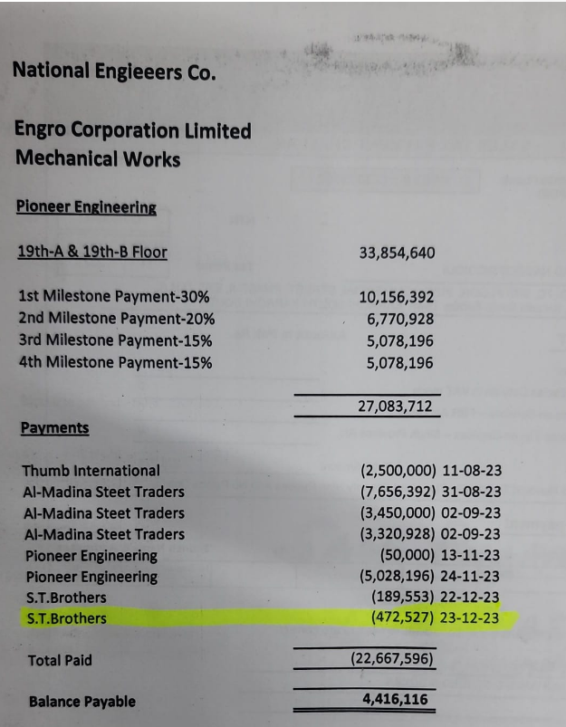
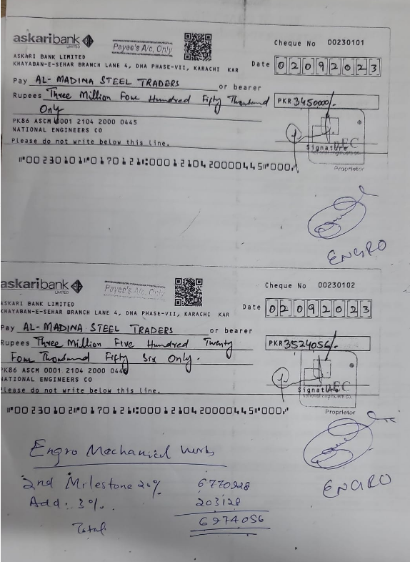
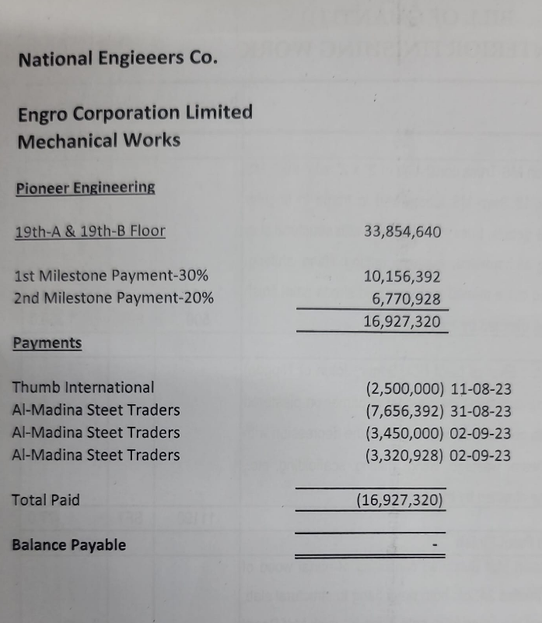
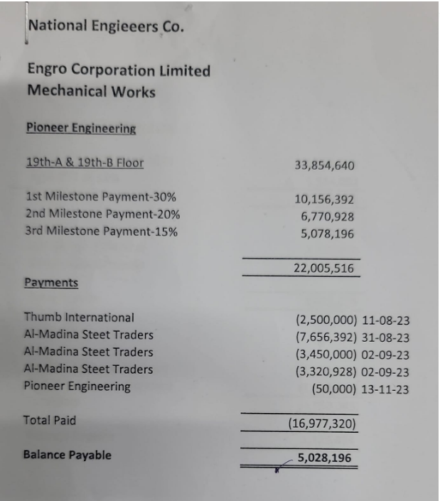
NATIONAL ENGINEERS CO.
ENGRO OFFICE, THF, KHI
SUMMARY OF AMOUNT

S.NO | DESCRIPTION | AMOUNT
 | PLUMBING
3 | 19THA FLOOR | 349,659
4 | 19THB FLOOR | 139,025
 | SUB-TOTAL | 488,684
 | HVAC
3 | 19THA FLOOR | 12,352,900
4 | 19THB FLOOR | 9,862,161
 | SUB-TOTAL | 22,215,061
 | FIRE
3 | 19THA FLOOR | 4,871,432 | 33854640
4 | 19THB FLOOR | 6,279,463 | 6770928
 | SUB-TOTAL | 11,150,896 | 3450000
 | GRAND TOTAL AMOUNT | 33,854,640

 | Claimed 90% | 30,469,176
 | Received | 27,083,712
 | Remaining | 3,385,464
 |  | 7,656,392
 |  | 3,450,000
 |  | 3,320,928
 |  | 14,427,320

